NEW OSAR
MULTIFAMILY OPERATING STATEMENT ANALYSIS REPORT (includes Mobile Home Parks, Single Family Rentals, and Co-ops)
as of 3/31/2026
PROPERTY OVERVIEW |  |  |  | Allocated Loan Amount/Percentage
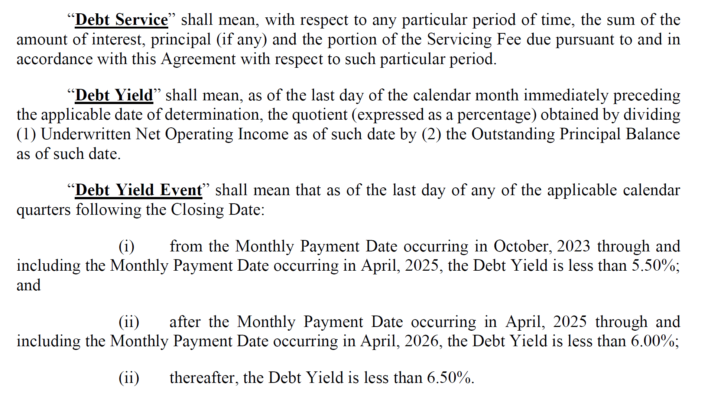
Property ID | 1001-001 | Paid Thru Date | Debt Outside Trust (1) | $ | %
Note A-Scheduled Loan Balance | $52,400,000 | MM/DD/YY | X or Blank | $- | 0.00% | 233,971
Note B-Scheduled Loan Balance | $48,900,000 | MM/DD/YY | X or Blank | $- | 0.00%
Note C-Scheduled Loan Balance | $- | MM/DD/YY | X or Blank | $- | 0.00%
Property Name | Lydian Apartments
Property Type | Multifamily
Property Address, City, State
Current Net Rentable SF/Units/Beds/Rooms | 209 |  | Use second box to specify sqft.,units…
Year Built/Year Renovated | YYYY | YYYY
Cap Ex Reserve (annually)/per Unit.etc. (2) | $200 | $- | specify annual/per unit…
Statement Ending Date | Underwriting | 2025-09-30 | 2025-12-31 | 2026-03-31 | 2026-03-31
Occupancy Rate (physical) | 0.00% | 92.34% | 91.39% | 91.87% | 91.87% |  | 0.00%
Occupancy Date | MM/DD/YY | 2025-09-30 | 2025-12-31 | 2026-03-31 | 2026-03-31
 | (1) "X" if debt is outside of the trust, otherwise leave blank
 | (2) Total $ amount of Capital Reserves required annually by loan documents
INCOME:
Number of Mos. Covered |  | 12 | 12 | 12 | 12
Period Ended | At Contribution | DY TEST | DY TEST | TTM | DY TEST
Statement Ending Date | Information | as of 09/30/2025 | as of 12/31/2025 | as of 03/31/2026 | as of 03/31/2026 | Notes
Gross Potential Rent (3) | $4,156,426 | $4,154,232 | $4,135,728 | $3,975,944 | $4,653,828 | Rent Roll as of 3/31/2026 |  | $518,100 | 12.5%
Less: Vacancy Loss | 346,369 | - | - | - | - | Greater of actual vacancy (8.13%) and 5.00% | -3.13%
OR
Base Rent (3) |  |  |  | - | -
Laundry/Vending Income | - | - |  | - | -
Parking Income | - | 15,471 | 16,314 | 19,158 | 21,098 | T3M Annualized |  | $4,784 | 29.3%
Other Income | 335,067 | 323,302 | 359,352 | 391,051 | 388,448 | T3 other income less T3 concessions |  | $29,096 | 8.1%

*Effective Gross Income | $4,837,862 | $4,493,004 | $4,511,393 | $4,386,153 | $5,063,374 | 12.24% |  | $551,981 | 12.2%
 | (3) Use either Gross Potential (with Vacancy Loss) or Base Rents; use negative $amt for Vacancy Loss

OPERATING EXPENSES:
Real Estate Taxes | $351,064 | $473,998 | $473,998 | $516,382 | $516,382 | Greater of actual tax bill from 3/1/2025-3/1/2026 ($474.0K) and T12 ended 3/31/2026 |  | $42,384 | 8.9%
Property Insurance | 51,224 | 68,100 | 67,955 | 67,810 | 67,810 | Greater of actual insurance premium from 6/28/2025-6/28/2026 ($67.2K) and T12 ended 3/31/2026 |  | $(145) | -0.2%
Utilities | 208,625 | 219,870 | 222,876 | 232,767 | 232,767 | T12 ended 3/31/2026 |  | $9,890 | 4.4%
Repairs and Maintenance | 94,050 | 167,454 | 178,154 | 161,952 | 161,952 | T12 ended 3/31/2026 |  | $(16,202) | -9.1%
Management Fees | 124,354 | 134,790 | 135,342 | 132,211 | 151,901 | Greater of actual fees annualized and 3% of gross revenue | 3% | $16,559 | 12.2%
Payroll & Benefits | 447,914 | 335,745 | 344,286 | 343,527 | 343,527 | T12 ended 3/31/2026 |  | $(759) | -0.2%
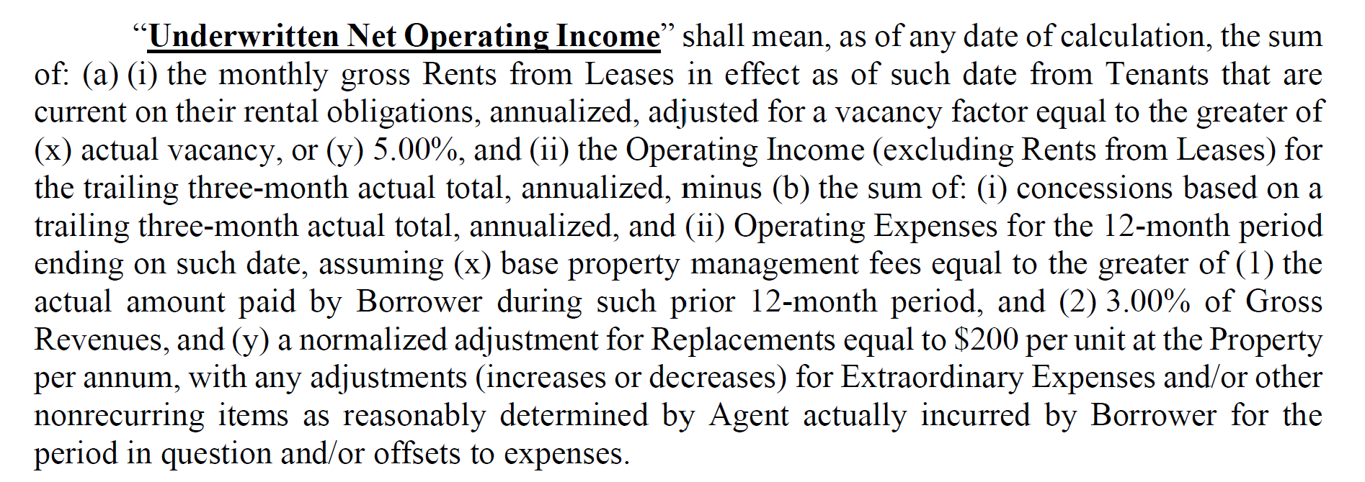
Advertising & Marketing | 102,380 | 67,983 | 67,040 | 72,835 | 72,835 | T12 ended 3/31/2026 |  | $5,795 | 8.6%
Professional Fees | - | 6,674 | - | - | - | T12 ended 3/31/2026
General and Administrative | 102,380 | 121,354 | 131,977 | 136,342 | 136,342 | T12 ended 3/31/2026 |  | $4,365 | 3.3%
Other Expenses | 36,000 | - | - | - | - | T12 ended 3/31/2026
Ground Rent |  |  |  | - | -
*Total Operating Expenses | $1,517,991 | $1,595,968 | $1,621,628 | $1,663,827 | $1,683,517 |  |  | $61,888 | 3.8%

Operating Expense Ratio | 31% | 36% | 36% | 38% | 33% |  |  | $(0) | -7.5%

*Net Operating Income | $3,319,871 | $2,897,036 | $2,889,765 | $2,722,326 | $3,379,857 |  |  | $490,092 | 17.0%

Capital Expenditures | - | 41,800 | 41,800 | 41,800 | 41,800 | $200 per unit
Extraordinary Capital Expenditures
Total Capital Items | $- | $41,800 | $41,800 | $41,800 | $41,800

*Net Cash Flow | $3,319,871 | $2,855,236 | $2,847,965 | $2,680,526 | $3,338,057 | 17.21%

Debt Service - A Note |  | $2,629,825 | $2,629,825 | $2,629,825 | $2,629,825 | Current 2.5% Cap Rate +2.45% Spread
Debt Service - B Note
Debt Service - C Note

*Net Cash Flow after Debt Service | $3,319,871 | $225,411 | $218,140 | $50,701 | $708,232 | 224.67%
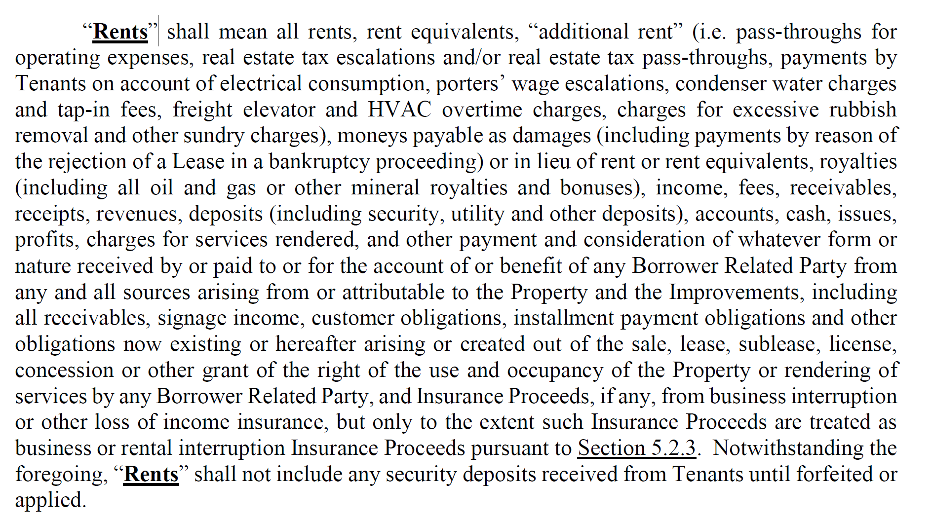
*DSCR: (NOI/Debt Service) - A Note |  | 1.10x | 1.10x | 1.04x | 1.29x | 16.96%
*DSCR: (NOI/Debt Service) - A & B Note
*DSCR: (NOI/Debt Service) - A, B & C Note

*DSCR: (NCF/Debt Service) - A Note |  | 1.09x | 1.08x | 1.02x | 1.27x | 17.21%
*DSCR: (NCF/Debt Service) - A & B Note
*DSCR: (NCF/Debt Service) - A, B & C Note

*Debt Yield (NCF/Debt Balance) | 6.34% | 5.45% | 5.44% | 5.12% | 6.37% | 6.00% through April 2026 |  | 0.94%
 |  |  |  |  | 6.83% | Post Paydown
Source of Financial Data:
 | (ie. operating statements, financial statements, tax return, other)
Notes and Assumptions: Years above will roll, always showing a 3yr sequential history. Comments from the most recent NOI Adjustment Worksheet should be carried forward to Operating Statement
Analysis Report. Year-over-year variances (either higher or lower) must be explained and noted for the following: >20% DSCR change, >20% EGI/Total Operating Expenses or Total Capital
Items. Quarterly variance comments may be necessary if the loan is on the Watch List.
Income: Comments

Expense: Comments

Capital Items: Comments

DSCR: Comments

* Used in the CREFC Comparative Financial Status Report/CREFC Property File/CREFC Loan Periodic Update File. Note that information for multiple property loans must be consolidated (if available)
for reporting to the CREFC Loan Periodic Update file.

Tax Statement
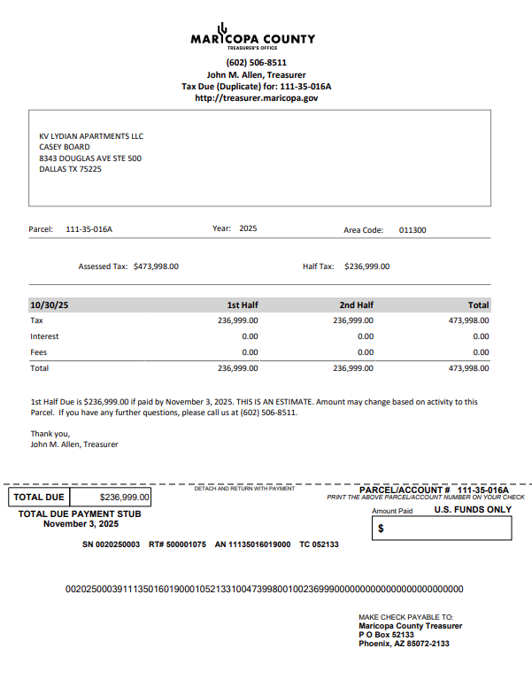
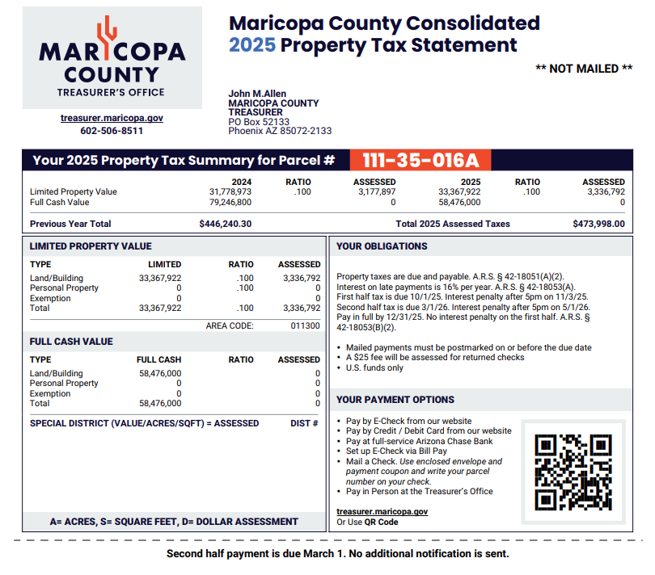

$473,998.00
Tax Summary

Insurance
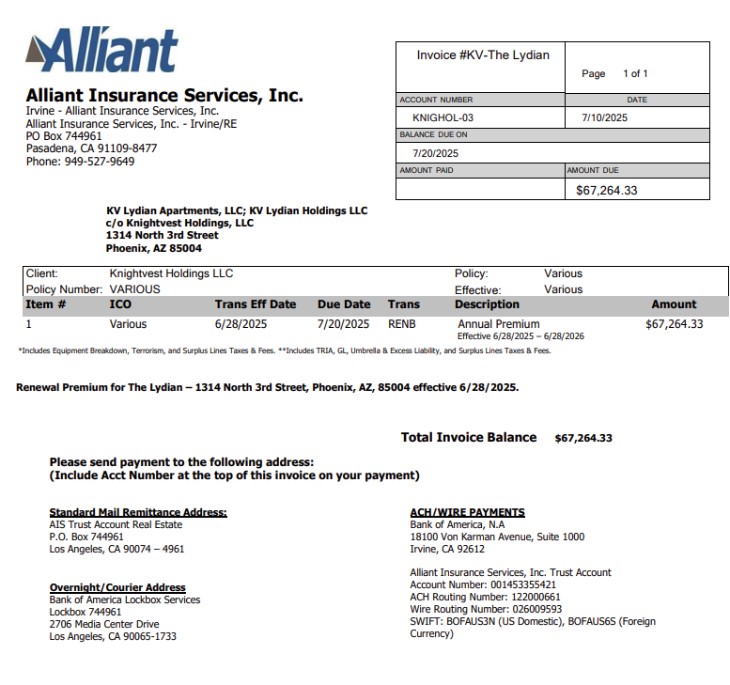

67264.33

